Readers Inventory
Item Number | QTY Available | DI-Opter
B-INFL-125-ALL | 1,472 | 1.25 | ALL NEW
B-INFL-150-ALL | 396 | 1.5 | PACKED BY STYLE , BY DI-OPTER
B-INFL-200-ALL | 472 | 2 | Tags can be included | See Below
B-INFL-250-ALL | 693 | 2.5 | ALL WITH LENS STICKERS
B-INFL-275-ALL | 830 | 2.75
B-R032-125-ALL | 440 | 1.25
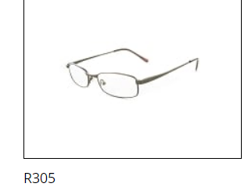
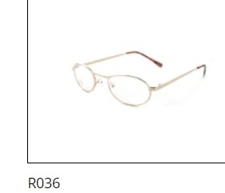
B-R032-150-ALL | 320 | 1.5
B-R032-175-ALL | 601 | 1.75
B-R032-200-ALL | 649 | 2
B-R032-225-ALL | 1,062 | 2.25
B-R032-250-ALL | 288 | 2.5
B-R032-275-ALL | 1,101 | 2.75
B-R032-300-ALL | 398 | 3
B-R036-125-ALL | 389 | 1.25
B-R036-150-ALL | 572 | 1.5
B-R036-175-ALL | 570 | 1.75
B-R036-200-ALL | 328 | 2
B-R036-225-ALL | 672 | 2.25
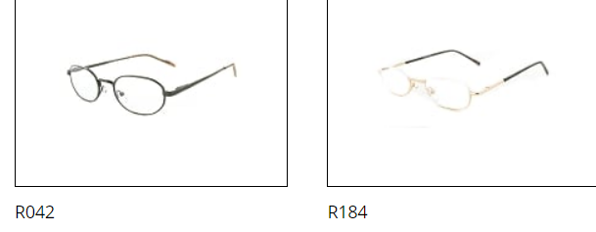
B-R036-250-ALL | 465 | 2.5
B-R036-275-ALL | 754 | 2.75
B-R042-125-ALL | 548 | 1.25
B-R042-150-ALL | 409 | 1.5
B-R042-175-ALL | 353 | 1.75
B-R042-200-ALL | 419 | 2
B-R042-225-ALL | 481 | 2.25
B-R042-250-ALL | 99 | 2.5
B-R042-275-ALL | 191 | 2.75
B-R042-300-ALL | 6 | 3
B-R042-350-ALL | 144 | 3.5
B-R178H-125-ALL | 593 | 1.25
B-R178H-150-ALL | 9 | 1.5
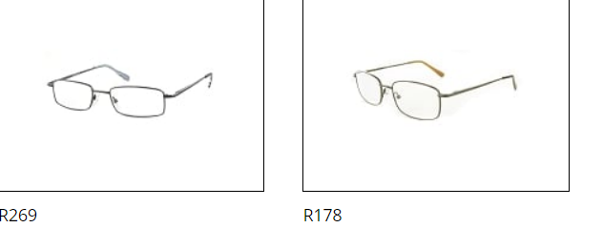
B-R178H-175-ALL | 9 | 1.75
B-R178H-200-ALL | 68 | 2
B-R178H-225-ALL | 1,475 | 2.25
B-R178H-250-ALL | 1,063 | 2.5
B-R178H-275-ALL | 448 | 2.75
B-R178H-300-ALL | 424 | 3
B-R178H-350-ALL | 170 | 3.5
B-R184-125-ALL | 310 | 1.25
B-R184-150-ALL | 430 | 1.5
B-R184-175-ALL | 415 | 1.75
B-R184-200-ALL | 214 | 2
B-R184-225-ALL | 687 | 2.25
B-R184-250-ALL | 421 | 2.5
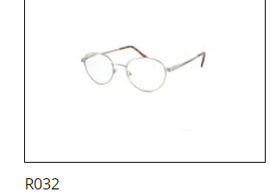
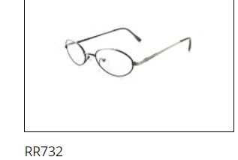
B-R184-275-ALL | 312 | 2.75
B-R184-300-ALL | 456 | 3
B-R249H-125-ALL | 1,419 | 1.25
B-R249H-175-ALL | 136 | 1.75
B-R249H-275-ALL | 732 | 2.75
B-R269GH-125-ALL | 2,388 | 1.25
B-R269GH-150-ALL | 3,370 | 1.5
B-R269GH-175-ALL | 1,775 | 1.75
B-R269GH-200-ALL | 2,859 | 2
B-R269GH-250-ALL | 1,783 | 2.5
B-R269GH-275-ALL | 948 | 2.75
B-R269H-125-ALL | 157 | 1.25
B-R269H-175-ALL | 294 | 1.75
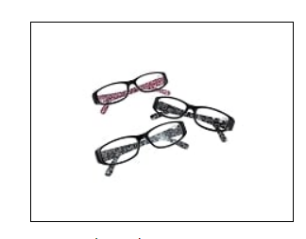
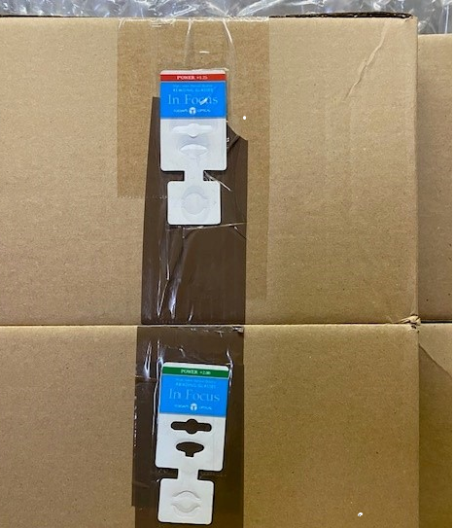
B-R269H-200-ALL | 29 | 2
B-R269H-225-ALL | 897 | 2.25
B-R269H-275-ALL | 217 | 2.75
B-R269H-300-ALL | 1,035 | 3
B-R305-125-ALL | 90 | 1.25
B-R305-150-ALL | 942 | 1.5
B-R305-175-ALL | 131 | 1.75
B-R305-225-ALL | 68 | 2.25
B-R305-250-ALL | 138 | 2.5
B-RR732-125-ALL | 62 | 1.25
B-RR732-150-ALL | 42 | 1.5
B-RR732-175-ALL | 197 | 1.75
B-RR732-200-ALL | 185 | 2
B-RR732-225-ALL | 622 | 2.25
B-RR732-250-ALL | 341 | 2.5 | B-infl
B-RR732-275-ALL | 694 | 2.75
B-RR732-300-ALL | 360 | 3
B-RR732-350-ALL | 251 | 3.5
 | 44,788
7,868 | 1.25 | 18%
6,490 | 1.5 | 14%
4,481 | 1.75 | 10%
5,223 | 2 | 12%
5,964 | 2.25 | 13%
5,291 | 2.5 | 12%
6,227 | 2.75 | 14%
2,679 | 3 | 6%
565 | 3.5 | 1%
44,788

